DE-Text Token Distro
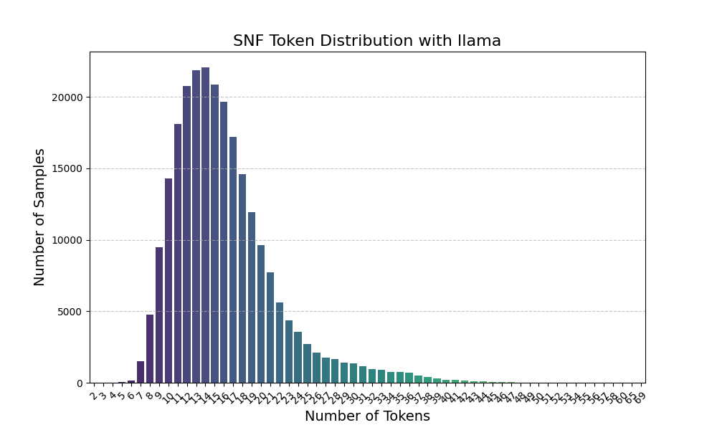
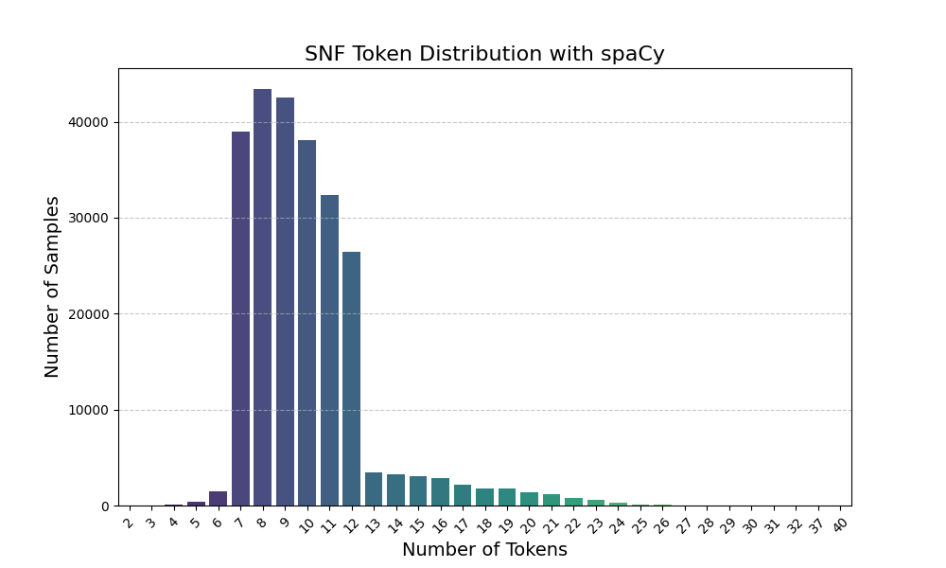

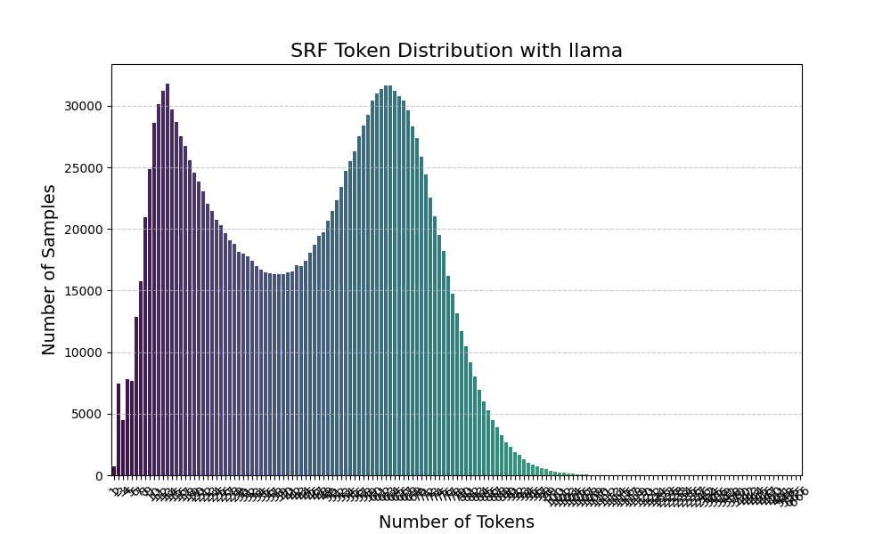
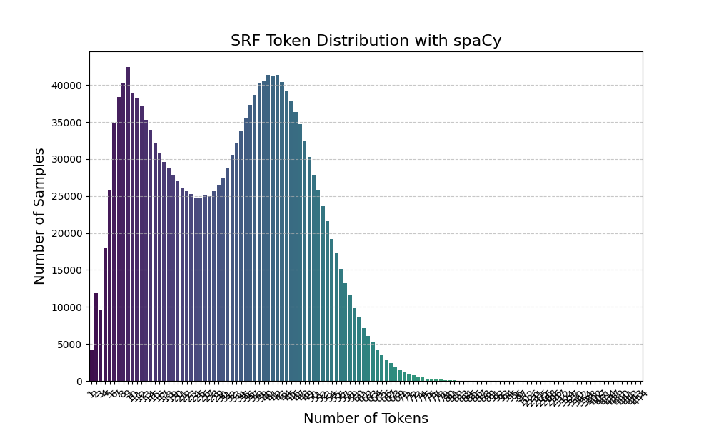

DID-Generation
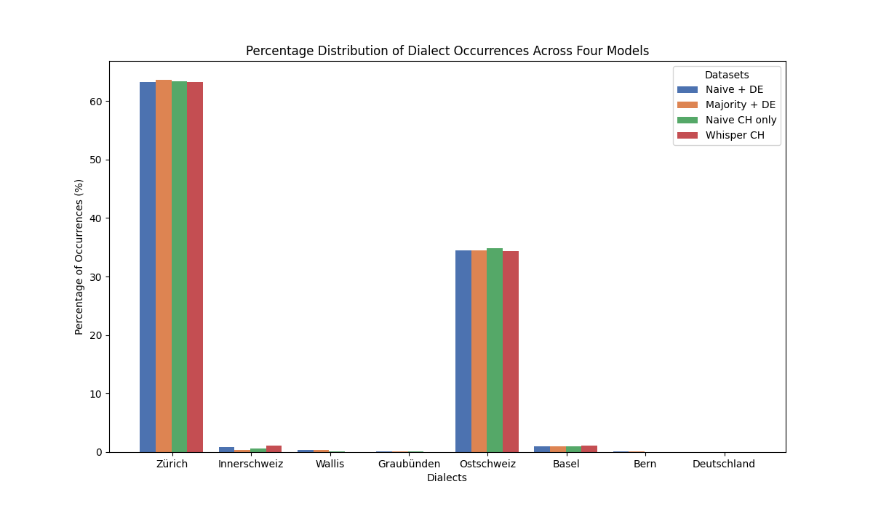
Dialect | Naive + DE | Majority + DE | Naive CH only | Whisper CH
Zürich | 12371 | 12464 | 12411 | 12387
Innerschweiz | 166 | 65 | 113 | 220
Wallis | 61 | 69 | 14 | 9
Graubünden | 13 | 13 | 18 | 2
Ostschweiz | 6750 | 6752 | 6821 | 6722
Basel | 197 | 195 | 194 | 230
Bern | 16 | 16 | 6 | 7
Deutschland | 3 | 3 | 0 | 0

Dialect | Naive + DE | Majority + DE | Naive CH only | Whisper CH
Zürich | 63.1915 | 63.666547 | 63.395822 | 63.273229
Innerschweiz | 0.847934 | 0.332022 | 0.577208 | 1.123768
Wallis | 0.31159 | 0.352454 | 0.071512 | 0.045972
Graubünden | 0.066404 | 0.066404 | 0.091945 | 0.010216
Ostschweiz | 34.479236 | 34.489452 | 34.841906 | 34.336211
Basel | 1.006283 | 0.996067 | 0.990959 | 1.174848
Bern | 0.081729 | 0.081729 | 0.030648 | 0.035756
Deutschland | 0.015324 | 0.015324 | 0 | 0

DID-Distro
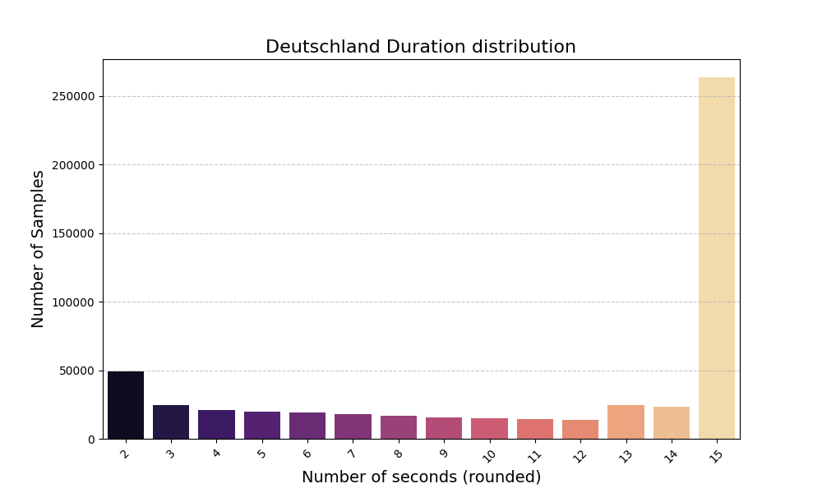
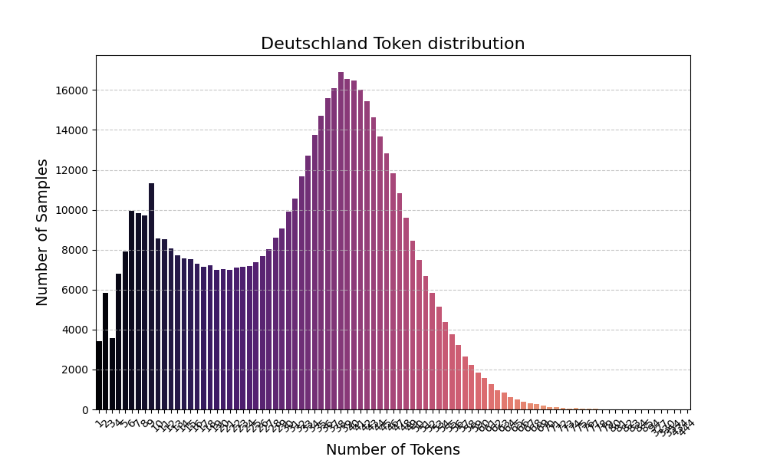
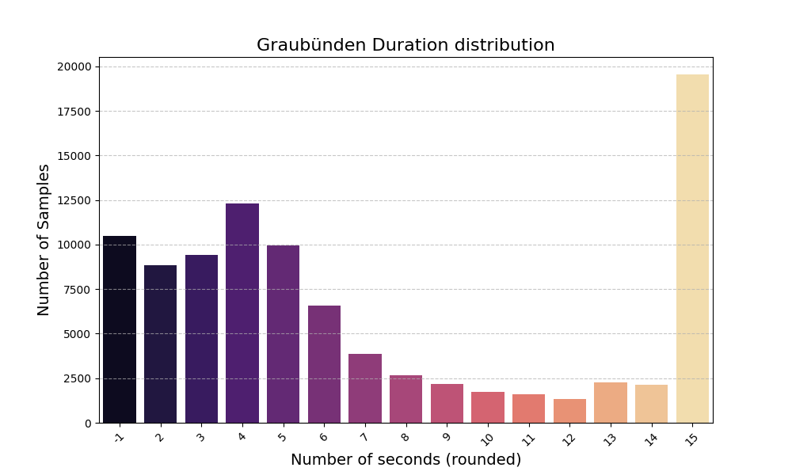
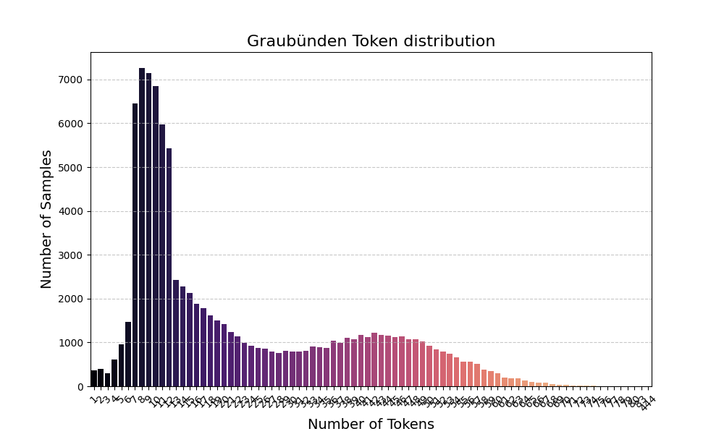
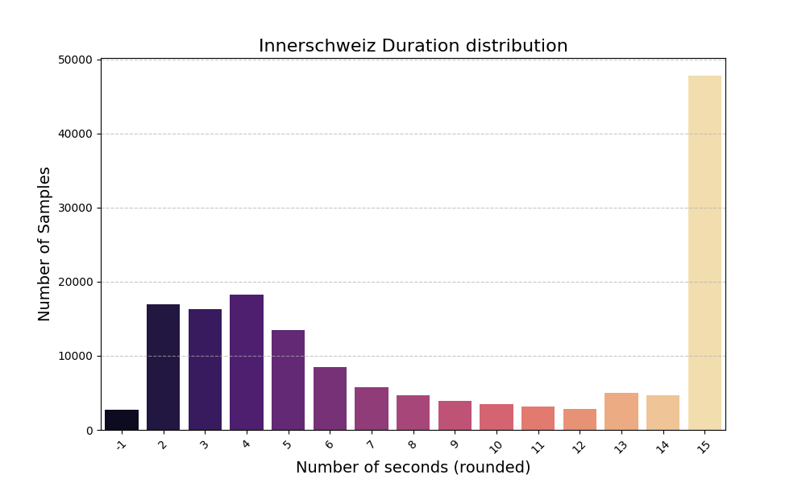
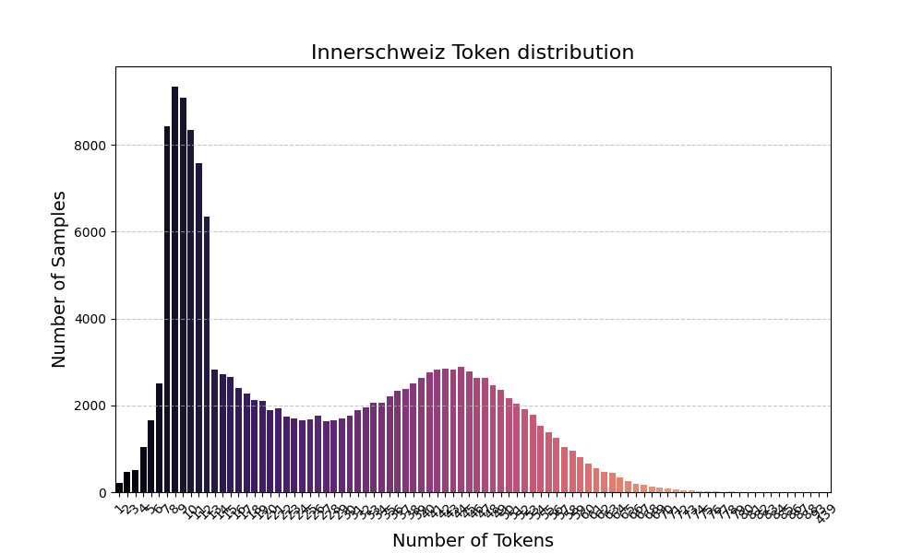
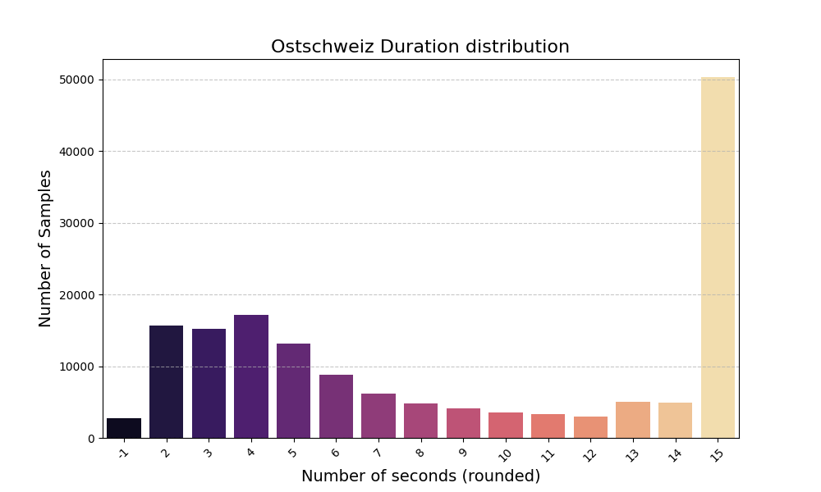
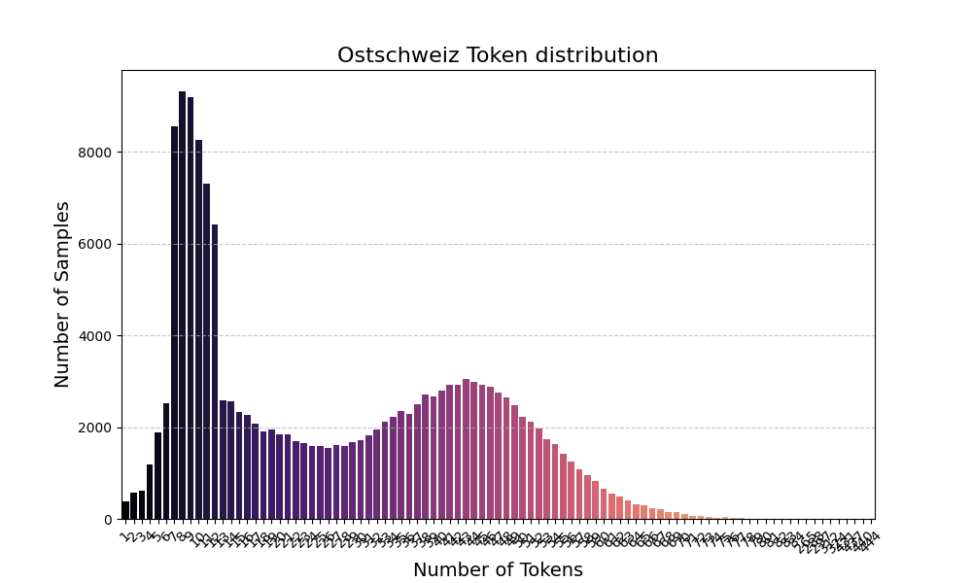
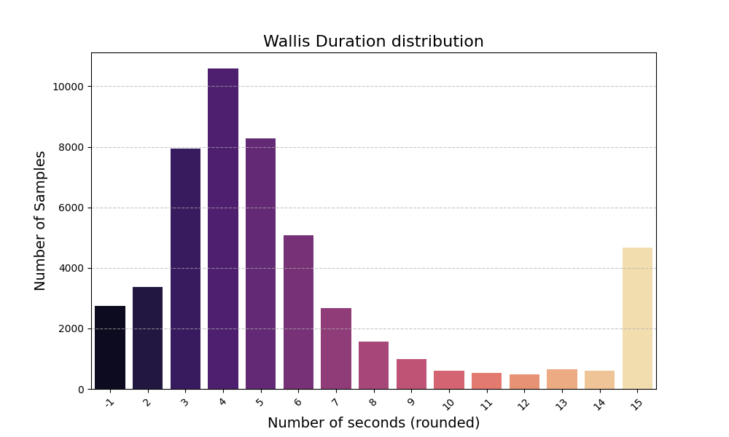
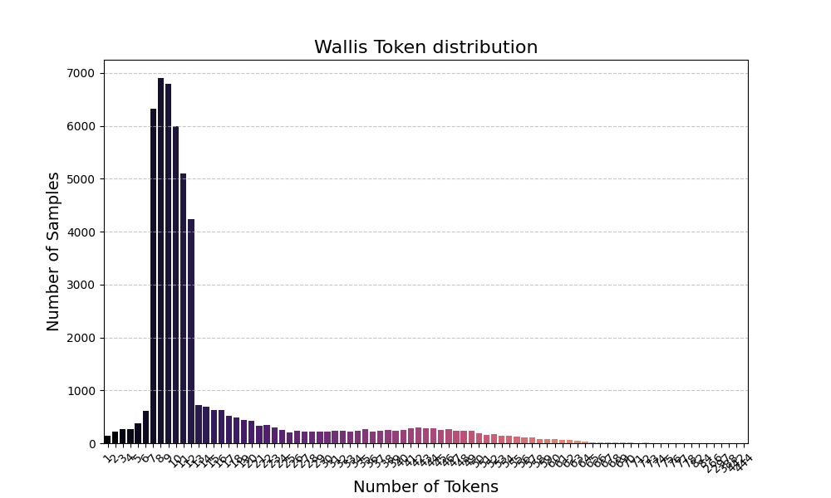
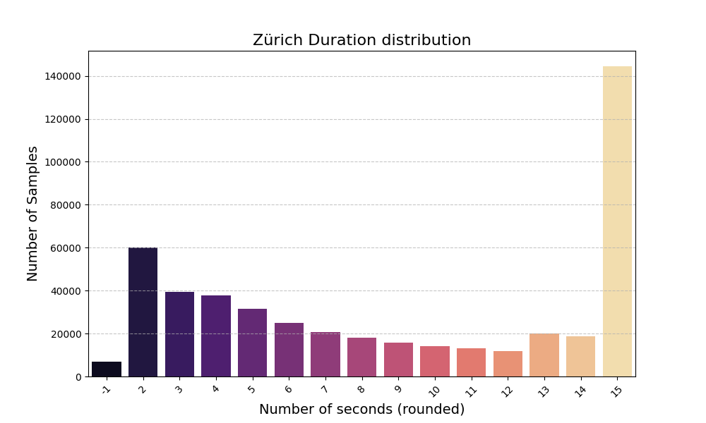
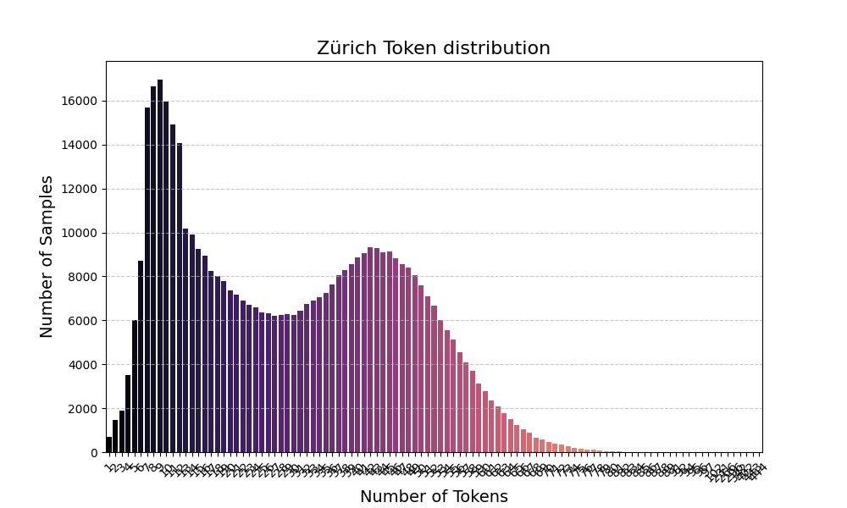
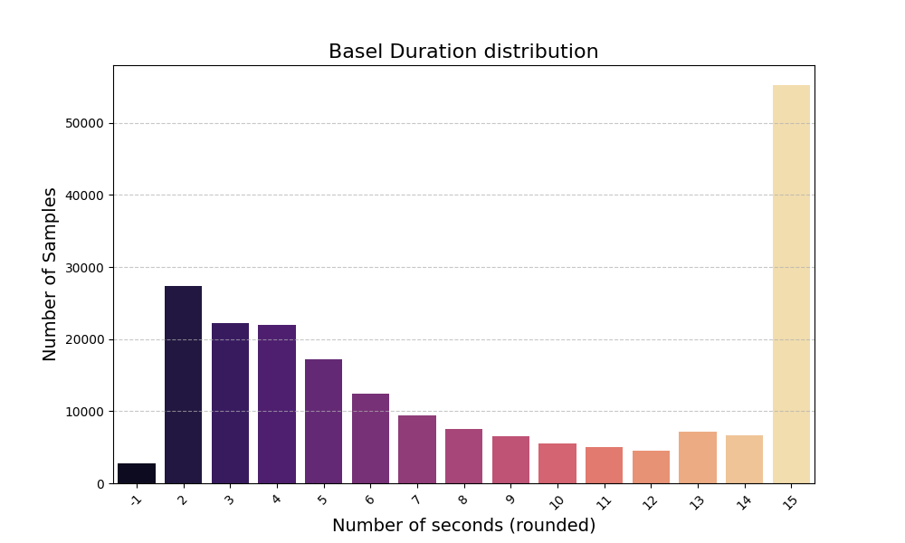
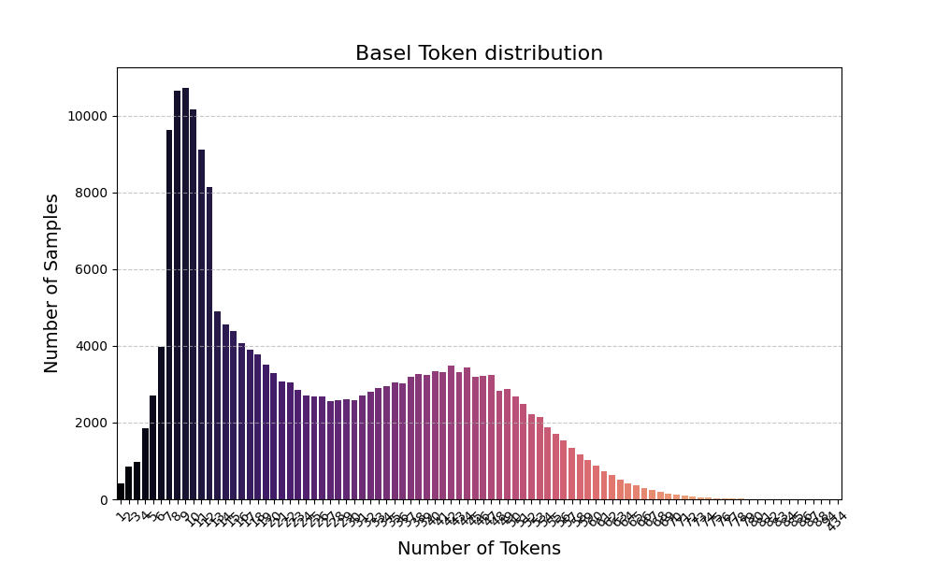
Dialect | No. Samples | Total Length (s) | Total length (Token) | Duration more than 6 tokens | Length more than 6
Basel | 211357 | 2928347.52 | 9339570 | 2876838.41 | 9282700
Bern | 326609 | 1802939.24 | 5703632 | 1781156.36 | 5670912
Deutschland | 539884 | 6082555.33 | 17240036 | 5899816.04 | 17119948
Graubünden | 94994 | 676766.04 | 2187210 | 666050.07 | 2175248
Innerschweiz | 157271 | 1383584.25 | 4327393 | 1371437.19 | 4308538
Ostschweiz | 158250 | 1428886.79 | 4404854 | 1412556.57 | 4382793
Wallis | 50723 | 307320.32 | 808869 | 299932.43 | 803266
Zürich | 477530 | 4390337.40 | 14540840 | 4349348.59 | 14473959

Basel: | 43.021032694 | 31903.00 | 13.24 | 13.24
Bern: | 44.2476585 | 32860.00 | 13.62 | 13.62
Graubünden: | 42.287902389 | 37691.00 | 13.01 | 13.01
Innerschweiz: | 46.152843 | 35187.00 | 14.20 | 14.20
Ostschweiz: | 50.412431583 | 36868.00 | 15.51 | 15.51
Wallis: | 49.826965389 | 35148.00 | 15.33 | 15.33
Zürich: | 49.00226125 | 37037.00 | 15.08 | 15.08
 | 324.95109481 | 246694.00

Basel: | 179269 | 460.81 | 9 | 5359839.00
Bern: | 293114 | 771.38 | 15 | 8984805.00
Deutschland: | 538687 | 1685.72 | 34 | 17237642.00
Graubünden: | 57226 | 151.33 | 3 | 1744917.00
Innerschweiz: | 121994 | 341.22 | 7 | 3950169.00
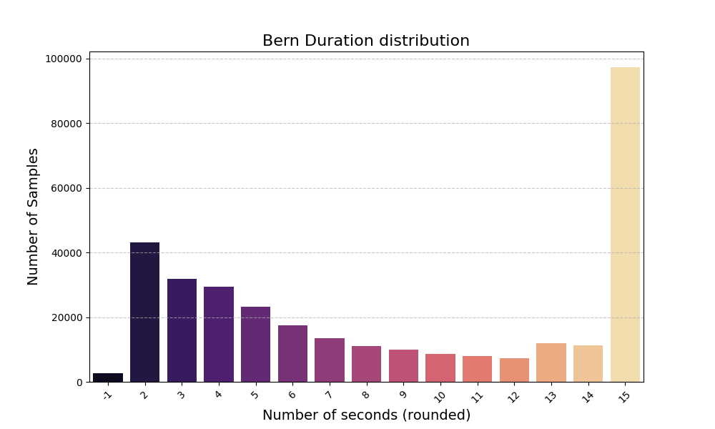
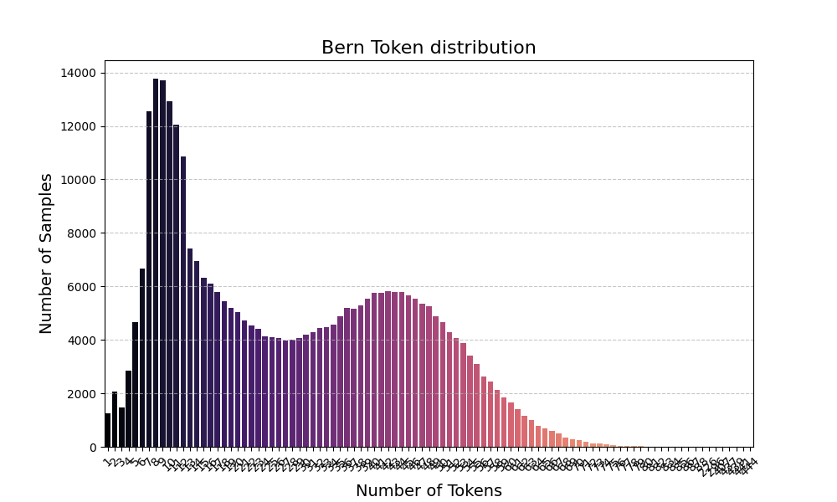
Ostschweiz: | 121248 | 350.60 | 7 | 4009260.00
Wallis: | 15520 | 39.46 | 1 | 431576.00
Zürich: | 440098 | 1178.58 | 24 | 14132021.00

